US5 ok
 | Test Scenarios for SimpCity
 | Test Cases Creation |  |  | System Testing (TDA) |  |  | User Acceptance Testing |  | Team
 | User Stories: | US5 - As a user, I want to be able to input a number so that I can select the type of building to place down. |  | Version Control: | V1 |  | Version Control: | V1 | Scrum Master: | Megan Png
 | Created By: | Hui Ying |  | Tester: |  |  | User: |  | Tech Lead: | Claris
 | Dated as of: | 15-Dec-21 |  | Test Date: |  |  | UAT Date: |  | QA: | Hui Ying
 | Status: |  |  | Status: |  |  | Status:
 | Reviwed By: |  |  | Reviwed By: |  |  | Reviwed By: |  | Developer: | Amanda Chan
 | Tech Lead | <Signature> |  | Scrum Master | <Signature> |  | Scrum Master: | <Signature>
 | Scrum Master | <Signature> |  |  |  |  | Tech Lead: | <Signature>
 |  |  |  |  |  |  | QA: | <Signature>
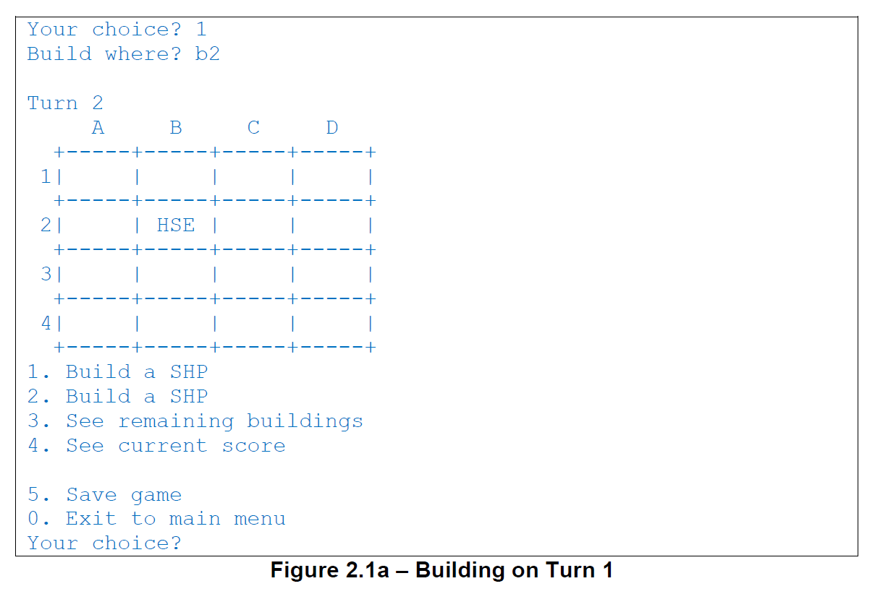
 | condition to test Start New Game Feautre | steps
S/NO | Test Scenario | Test Scenario Description | Test Values | Expected Outcome | Boundary? Equivalence? | Functional? Non-Functional? | Pass/ Fail | Actual Outcome | Test Result (Pass / Fail) | Remarks
1 | The number "1" is inputted by the user | 1. The user enters an option value of the numeric interger "1" when the message "Your Choice?" prompted | Before: Start New Game option is selected After: Your Choice? 1 | The message "Build where?" will be displayed to prompt the users to enter the location of the selected building to be placed | Equivalence | Functional | Pass
2 | The number "2" is inputted by the user | 1. The user enters an option value of the numeric interger "2" when the message "Your Choice?" prompted | Before: Start New Game option is selected After: Your Choice? 2 | The message "Build where?" will be displayed to prompt the users to enter the location of the selected building to be placed | Equivalence | Functional | Pass
3 | The number from "0" to "2" is not inputted by the user, then the user try again with the number "2", then with value from "3" to "5" or "0" | 1. The user enters an option value that is not a numeric interger of "0" to "2" when prompted 2. The user enters "0" to exit to the main menu 3. The user enters an option value of the numeric interger "2" when the message "Your Choice?" is prompted 4.The user enters "0" to exit to the main menu 5. The user enters any value from "3" to "5" 6. The user enters "0" to exit to the main menu 7. The users enter an option value that is not from "0" to "5" and is not a numeric interger | Before: | Start New Game option is selected |  | Functional |  |  |  |  | 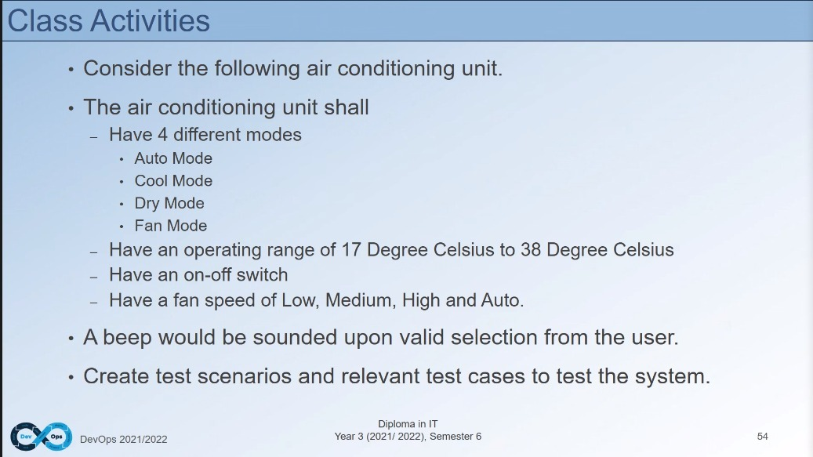 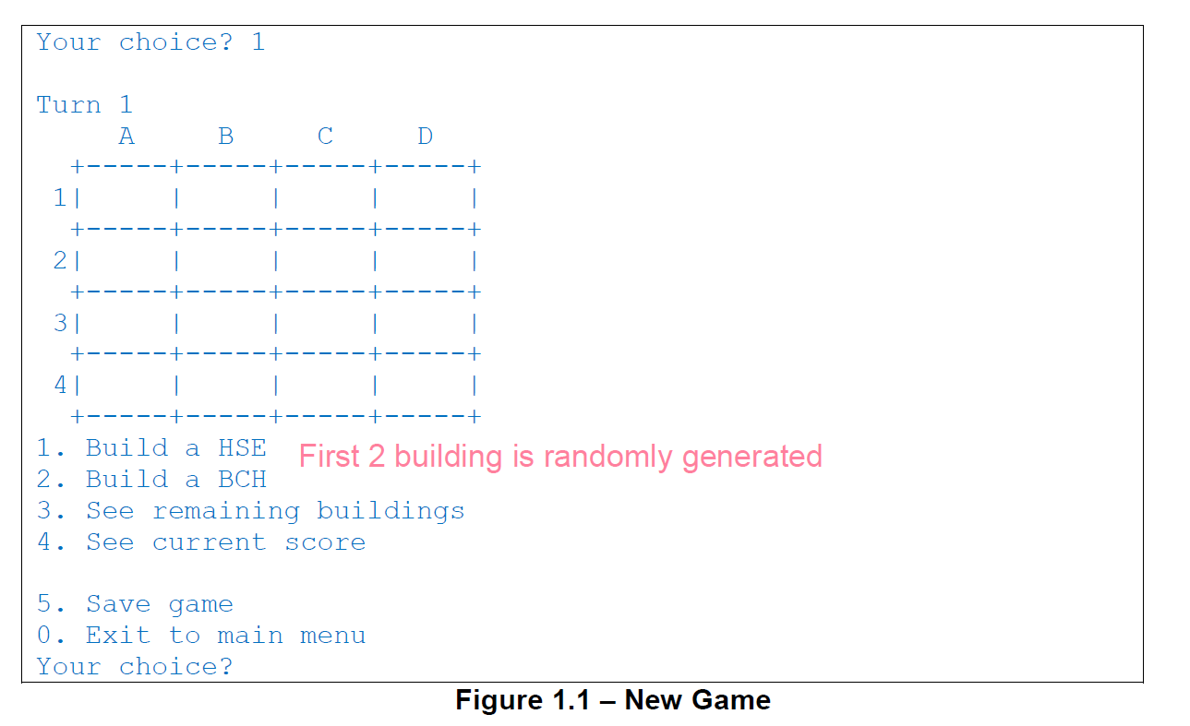 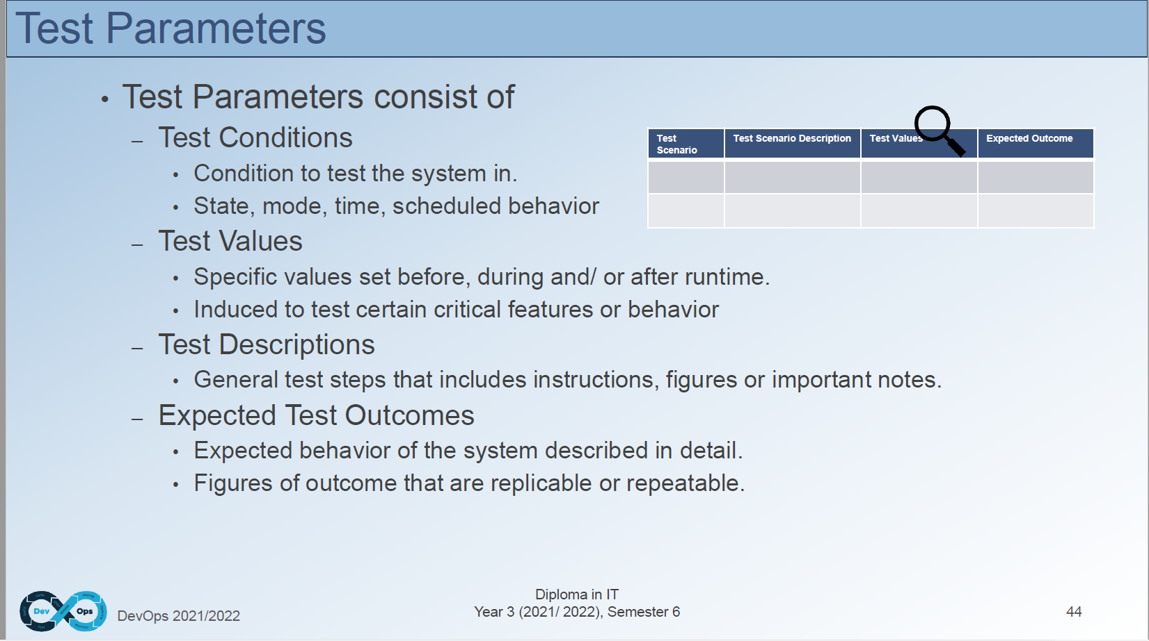 | test failing is like for error message like you expect it to appear, out of bound, go the right position
 |  |  | After: 1. Value from "0" to "2". | 1. The system shall process each option value from the menu as accordance. | Boundary |  | Pass
 |  |  | After: 2. Nominal value: 2 | 2. The message "Build where?" shall be displayed to prompt the users to enter the location of the selected building to be placed |  |  | Pass
 |  |  | After: 3. [Any value from "3" to "5"] | 3. The system shall not return any prompt or input. |  |  | Pass
 |  |  | After: 4. [Any value expect "0" to "5" and not a numeric interger} | 4. The system shall display an error message shall be displayed to remind the users only number "0" to "5" will be accepted. |  |  | Fail

US21TDD V3
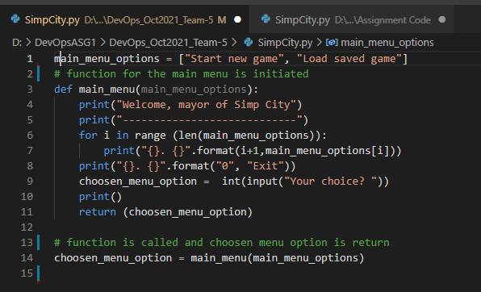
Manual TDD Test Cases for US21
Scrum Master/ Project Manager | Megan Png |  | Signature
Tech Lead | Claris
QA | Hui Ying
Developer | Amanda Chan

Dated as of: | 9-Dec-21
 |  |  | steps
S/NO | Created By | Test Scenario | Test Scenario Description | Test Values | Expected Outcome | Boundary? Equivalence? | Functional? Non-Functional? | Result Output | Pass/ Fail | Remarks
1 | Hui Ying | Can the main menu be printed when the program starts runnning? | 1. The developer runs the program to verify if the main menu is printed when the program start running | Before: Program is running After: Main menu printed out in the terminal | The function main_menu(main_menu_options) is called in the mainflow and the main menu is printed | Equivalence | Functional | 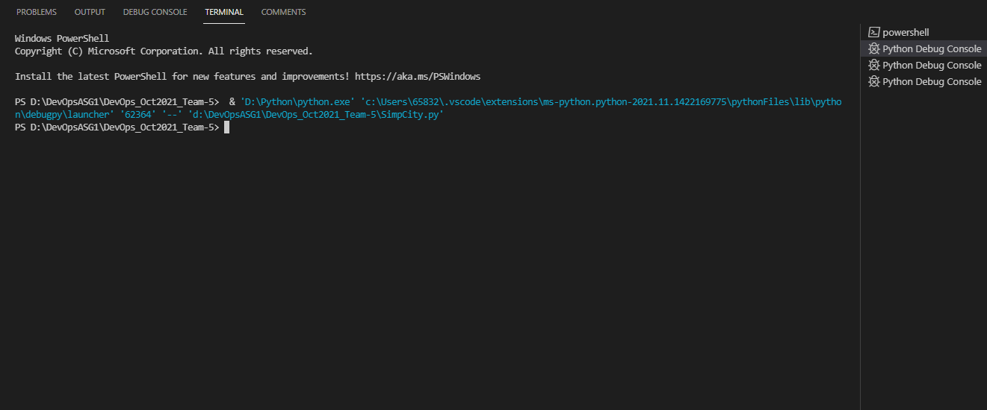 | Fail | The function main_menu(main_menu_options) is not called in the mainflow
2 | Hui Ying | Can the main menu be printed when the program starts runnning? | 1. The developer runs the program to verify if the main menu is printed when the program start running | Before: Program is running After: Main menu printed out in the terminal | The function main_menu(main_menu_options) is called in the mainflow with the input as a return | Equivalence | Functional |  | Pass | The function main_menu(main_menu_options) is called with a return of the variable choosen_menu_option

Manual Test Script

US21TDD Version 1
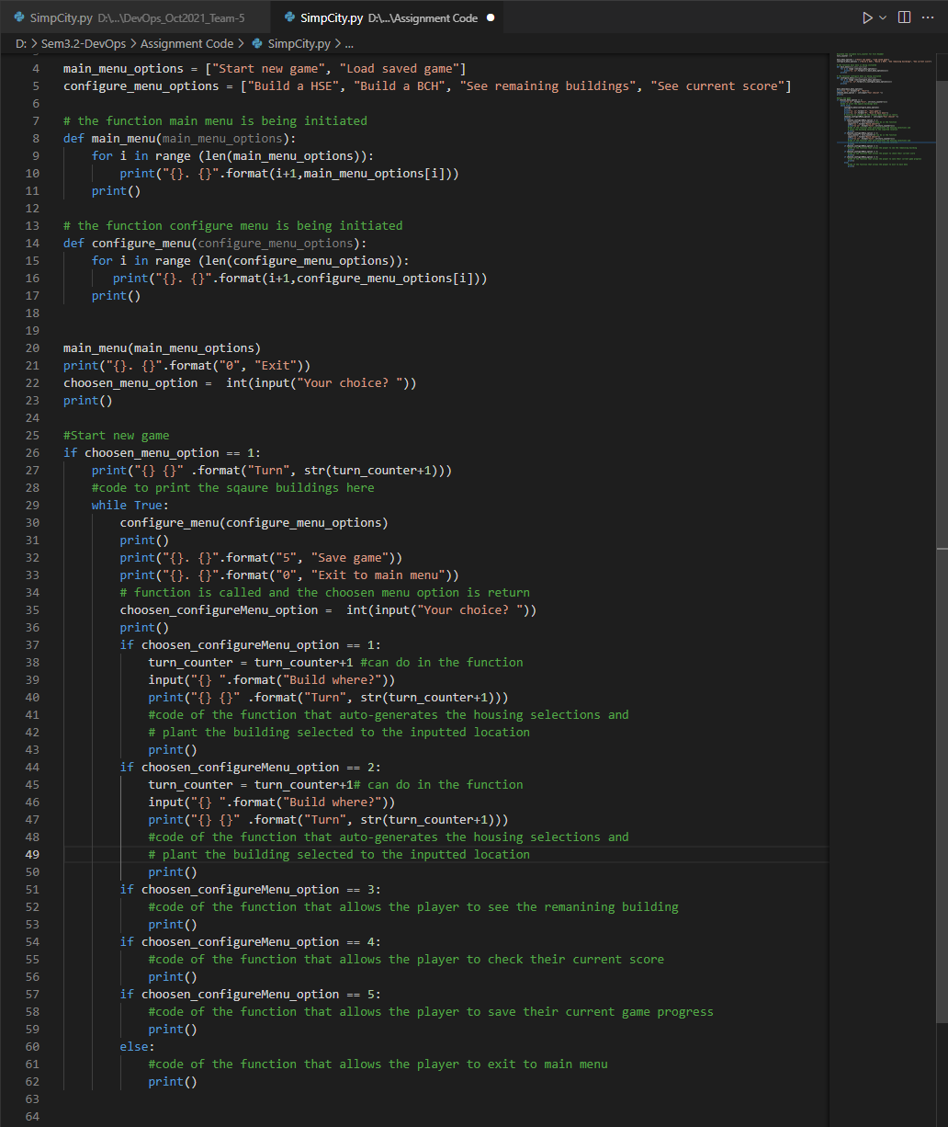
Manual TDD Test Cases for US21
Scrum Master/ Project Manager | Megan Png |  | Signature |  |  | V2 | Corrected version
Tech Lead | Claris
QA | Hui Ying
Developer | Amanda Chan

Dated as of: | 20th November 2021
 |  |  | steps
S/NO | Created By | Test Scenario | Test Scenario Description | Test Values | Expected Outcome | Boundary? Equivalence? | Functional? Non-Functional? | Result Output | Pass/ Fail | Remarks
1 | Hui Ying | Can the main menu be printed when the program starts runnning? | 1. The developer runs the program to verify if the main menu is printed when the program start running | Before: Program is running After: Main menu printed out in the terminal | The function main_menu(main_menu_options) is called in the mainflow and the main menu is printed | Equivalence | Functional |  | Fail | The function main_menu(main_menu_options) is not called in the mainflow
2 | Hui Ying | Can the main menu be printed when the program starts runnning? | 1. The developer runs the program to verify if the main menu is printed when the program start running | Before: Program is running After: Main menu printed out in the terminal | The function main_menu(main_menu_options) is called in the mainflow with the input as a return | Equivalence | Functional | Functional | Pass | The function main_menu(main_menu_options) is called with a return of the variable choosen_menu_option
3 | Hui Ying | Can the user start a new game after the start new game option is selected? | 1. The developer runs the program to verify if option 1 in the main menu calls the configure_menu(configure_menu_options) | Before: Start new game option is selected After: The configure menu should be printed out. | The function configure_menu(configure_menu_options) is called after the option 1 is entered for the chosen_menu_options | Equivalence | Functional |  | Fail | The function is not called in the While true loop, hence reuslting only the message "Turn 1", and the option value "5. Save game", "0. Exit to main menu" and the choosen_configureMenu_option "Your Choice ?" is printed.
4 | Hui Ying | Can the user start a new game after the start new game option is selected? | 1. The developer runs the program to verify if option 1 in the main menu calls the configure_menu(configure_menu_options) | Before: Start new game option is selected After: The configure menu should be printed out. | The function configure_menu(configure_menu_options) is called after the option 1 is entered for the chosen_menu_options | Equivalence | Functional | 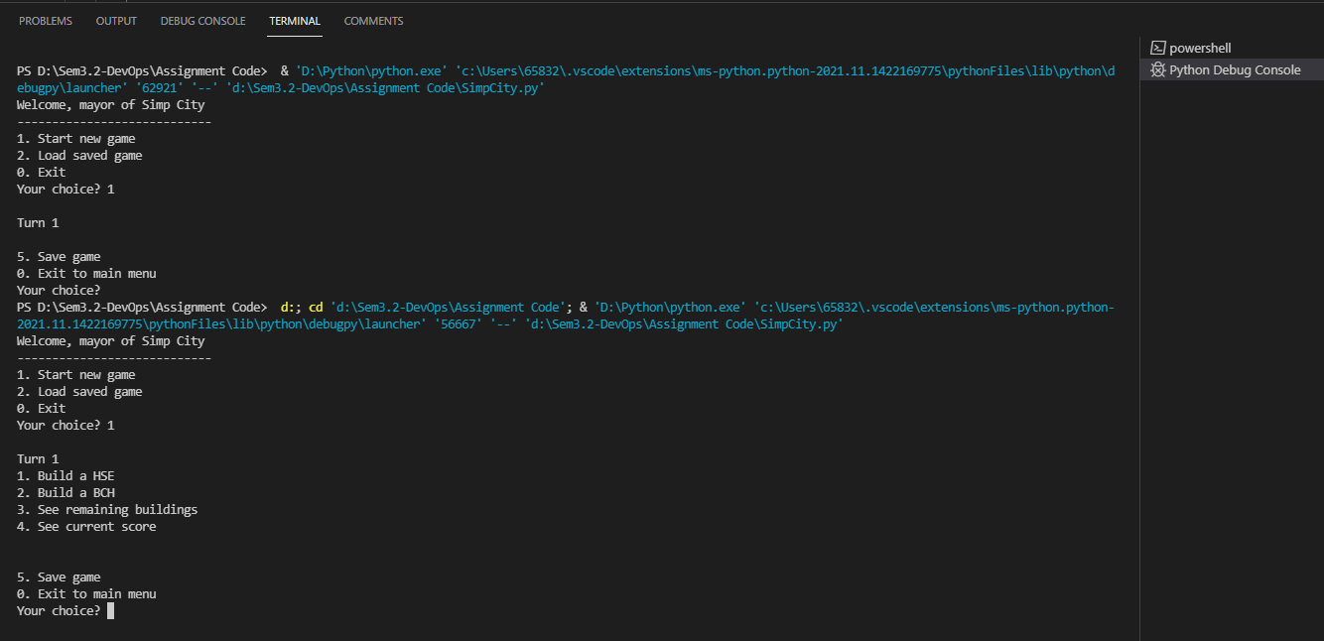 | Pass | The function is called in the While true loop, the configure menu is printed along with the message "Turn 1", the option value "5. Save game", "0.Exit to main menu" and the choosen_configureMenu_option that prints an input "Your Choice ?" is printed.
Manual Test Script

US21 TDD V2
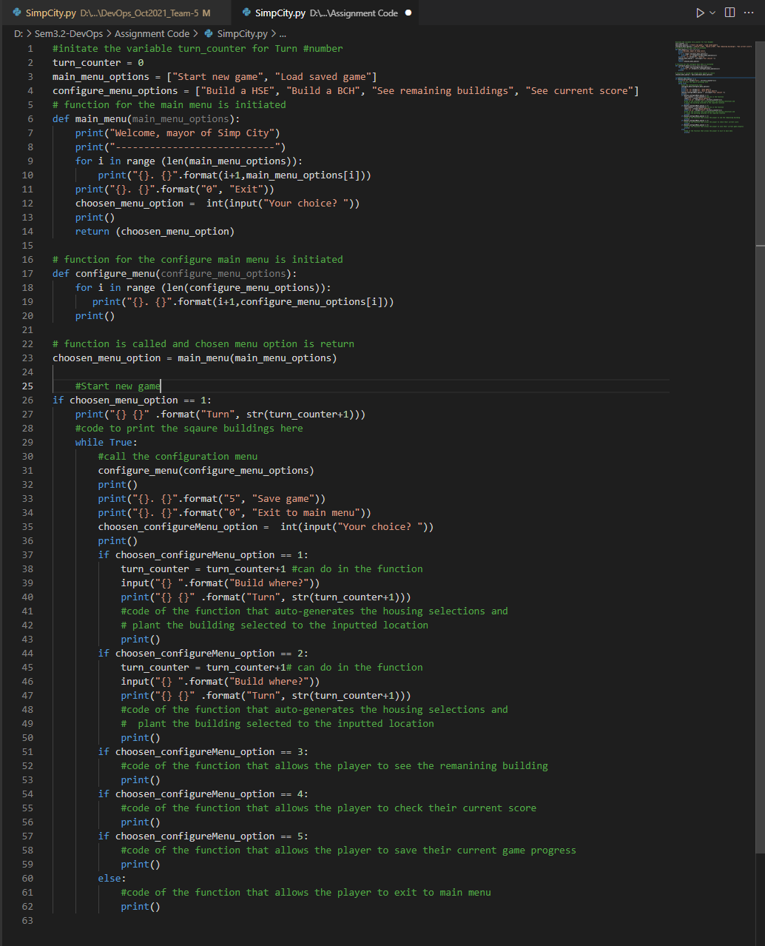
Manual TDD Test Cases for US21
Scrum Master/ Project Manager | Megan Png |  | Signature
Tech Lead | Claris
QA | Hui Ying
Developer | Amanda Chan

Dated as of: | 1st December 2021
 |  |  | steps
S/NO | Created By | Test Scenario | Test Scenario Description | Test Values | Expected Outcome | Boundary? Equivalence? | Functional? Non-Functional? | Result Output | Pass/ Fail | Remarks
1 | Hui Ying | Can the main menu be printed when the program starts runnning? | 1. The developer runs the program to verify if the main menu is printed when the program start running | Before: Program is running After: Main menu printed out in the terminal | The function main_menu(main_menu_options) is called in the mainflow and the main menu is printed | Equivalence | Functional |  | Fail | The function main_menu(main_menu_options) is not called in the mainflow
2 | Hui Ying | Can the main menu be printed when the program starts runnning? | 1. The developer runs the program to verify if the main menu is printed when the program start running | Before: Program is running After: Main menu printed out in the terminal | The function main_menu(main_menu_options) is called in the mainflow with the input as a return | Equivalence | Functional | Functional | Pass | The function main_menu(main_menu_options) is called with a return of the variable choosen_menu_option
3 | Hui Ying | Can the user start a new game after the start new game option is selected? | 1. The developer runs the program to verify if option 1 in the main menu calls the configure_menu(configure_menu_options) | Before: Start new game option is selected After: The configure menu should be printed out. | The function configure_menu(configure_menu_options) is called after the option 1 is entered for the chosen_menu_options | Equivalence | Functional |  | Fail | The function is not called in the While true loop, hence reuslting only the message "Turn 1", and the option value "5. Save game", "0. Exit to main menu" and the choosen_configureMenu_option "Your Choice ?" is printed.
4 | Hui Ying | Can the user start a new game after the start new game option is selected? | 1. The developer runs the program to verify if option 1 in the main menu calls the configure_menu(configure_menu_options) | Before: Start new game option is selected After: The configure menu should be printed out. | The function configure_menu(configure_menu_options) is called after the option 1 is entered for the chosen_menu_options | Equivalence | Functional |  |  | The function is called in the While true loop, the configure menu is printed along with the message "Turn 1", the option value "5. Save game", "0.Exit to main menu" and the choosen_configureMenu_option that prints an input "Your Choice ?" is printed.
Manual Test Script

Sheet1
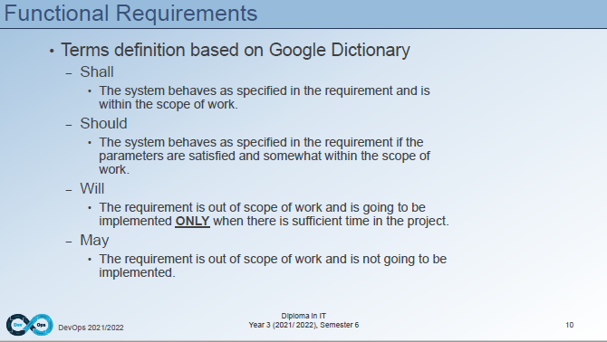
3 | The number "3" is inputted by the user | 1. The user enters an option value of the numeric interger "3" when the message "Your Choice?" prompted | Before: Start New Game option is selected After: Your Choice? 3 | Remanining buildings available for the users to select is displayed to the users. | Equivalence | Functional | Pass
4 | The number "4" is inputted by the user | 1. The user enters an option value of the numeric interger "4" when the message "Your Choice?" prompted | Before: Start New Game option is selected After: Your Choice? 4 | The computation of score accmulated for each building and the current "Total Score: " is displayed to the users | Equivalence | Functional | Pass
5 | The number "5" is inputted by the user | 1. The user enters an option value of the numeric interger "5" when the message "Your Choice?" prompted | Before: Start New Game option is selected After: Your Choice? 5 | A verification message "Game saved" is displayed to indicate that the game was saved sucessfully | Equivalence | Functional | Fail
6 | The number "0" is inputted by the user | 1. The user enters an option value of the numeric interger "0" when the message "Your Choice?" is prompted | Before: Start New Game option is selected After: Your Choice? 0 | The user return to the main menu | Equivalence | Functional | Pass
7 | The number "0" to "5" is not inputted by the user | 1. The user enters an option value that is not a numeric interger of "0" to "5" when prompted | Before: Start New Game option is selected After: [Any value expect "0" to "5"" | An error message will be displayed to remind the users only number "0" to "5" will be accepted and the message "Build where?" will not be prompted. | Equivalence | Functional | Pass

